VASC-CON
VASCON Status

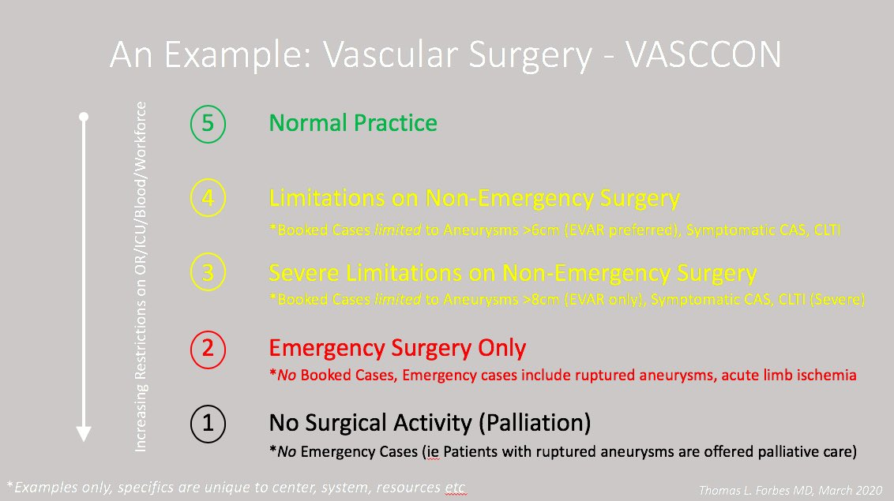

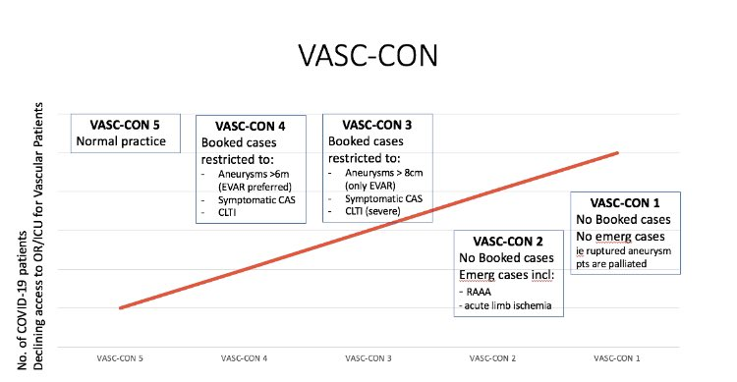

Developed by Thomas Forbes MD University of Toronto | Figures reproduced with permission

NZ Lockdown
New Zealand Lockdown Stage Definitions

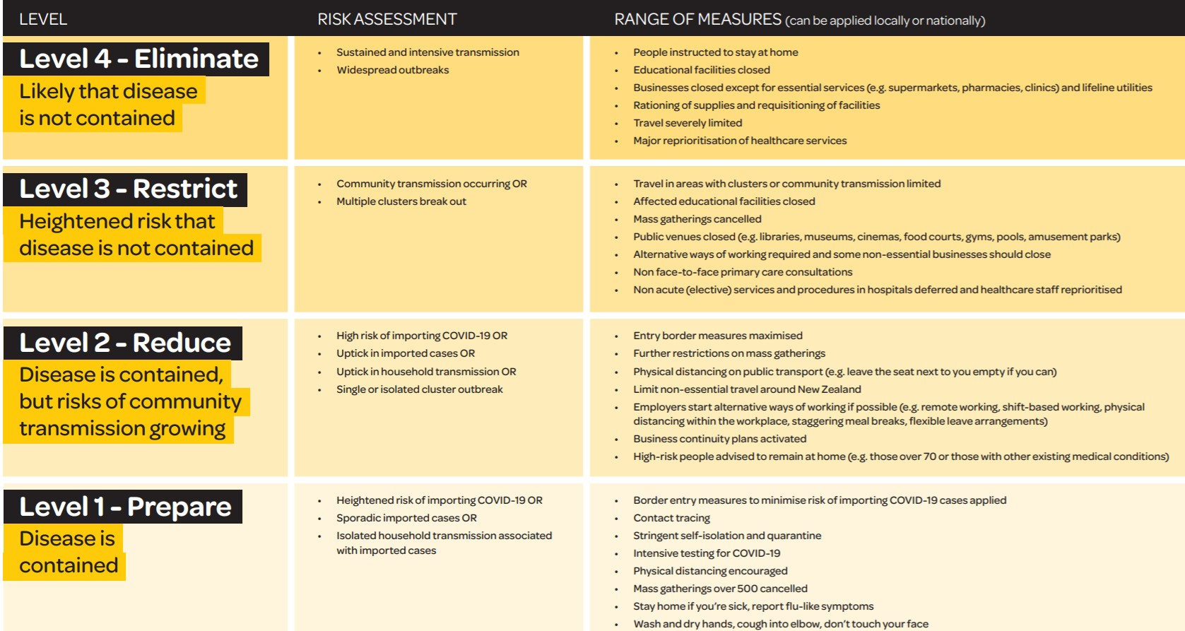

https://covid19.govt.nz/alert-system/covid-19-alert-system/

